Week2
 | Time Series Forecasting (TSF)
* | Time Series Forecasting is a statistical technique to predict a continuous feature using historic patterns
* | Forecasting can be done for few years (e.g. strategic planning) or few minutes (e.g. server utilization) based on the business relevance
* | Forecasting for a long duration is not recommended as the forecast accuracy may get impacted for future period
* | Different methods of forecasting are applied in different situations

 | Data split for 'train' and 'test'
* | train-test' split is done so we make forecasting techniques to learn from our 'train' data, build a model, which can then be tested on the unseen 'test' data
* | Unlike classification or regression techniques, we cannot randomly select our data as train and test in TSF
* | Maintaining the order or sequencing is important in TSF
* | While choosing data for train or test, we need to ensure that sequencing is maintained
* | So we either choose initial 80% of the data points as 'train' and rest as 'test'
 | e.g. If we have data for 100 months, we take initial 80 months as 'train' and remaining 20 months as 'test'
* | We can choose major part of the initial period as 'train' and rest as 'test'
 | e.g. If we have data for 25 years, we can take initial 22 years as 'train' and remaining 3 years as 'test'

 | Metrics to measure Forecast Accuracy
* | Forecast Error (et) | et = Ŷt - Yt | Ŷt = forecast value for time period t Yt = actual value in time period t n = No. of observations
1 | Mean Absolute Percentage Error (MAPE) |  |  | Unit Free
2 | Root Mean Square Error (RMSE) |  |  | Unit similar to original data, hence can be compared

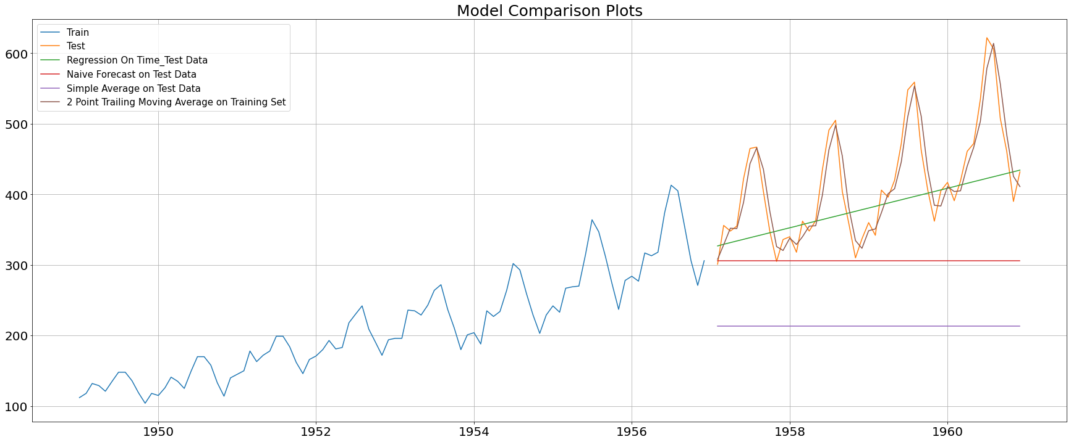
 | Forecasting Methods
 | Statistical Techniques
 | Method | Description
1 | Naïve | Pick up the last value from the 'train' and use it as a forecast for future i.e. entire 'test' period
2 | Average | Find average of the value for entire 'train' period and use it as a forecast for future i.e. entire 'test' period
3 | Moving Average | 1) Based on the time series pattern and business understanding choose a window to apply moving average
 |  | 2) For the chosen window, apply moving average from the start of train period and get forecast for 1 additional time period beyond train
 |  | For e.g. If have monthly data available and we choose a window of 3, using moving average of Jan, Feb, Mar value for Apr can be forecasted.
 |  | Once actual data for Apr is available, moving average of Feb, Mar, Apr will determine forecast for May and so on.
 |  | 3) Use rolling function in Python to implement Moving Average
4 | Linear Regression | 1) First create a predictor (x) for the time series data which can be just incremental numbers for entire time period i.e. for both 'train' and 'test'
 |  | Note: If 'train' has 80 data points and test has 20 data points, x for train will range from 1 to 80 and x for 'test' will range from 81 to 100
 |  | 2) Apply LinearRegression (y=f(x)) on the 'train' data and build a model
 |  | 3) Use the model to predict 'y' for the test period and get the required forecast
 | Exponential Smoothing Methods
 | Method | Description |  | Python Code
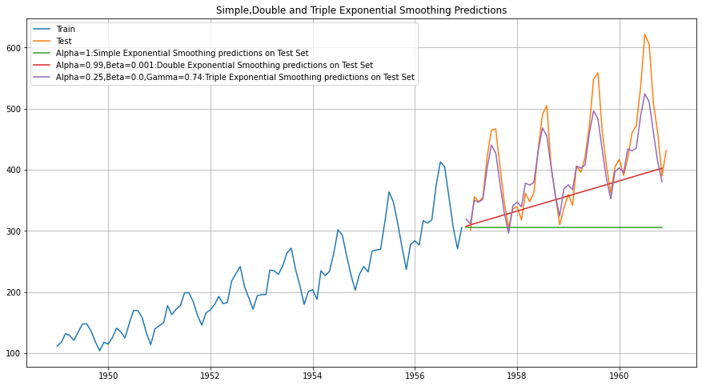
1 | Simple Exponential Smoothing (SES) | SES or one-parameter exponential smoothing is applicable to time series which do not contain either of trend or seasonality |  | from statsmodels.tsa.api import SimpleExpSmoothing # create class model_SES = SimpleExpSmoothing(train,initialization_method='estimated') # Fitting the Simple Exponential Smoothing model and asking python to choose the optimal parameters model_SES_autofit = model_SES.fit(optimized=True)
 |  | Forecast by SES is given by below equation where α is the smoothing parameter for level:
 |  | In reality such a series is hard to find. This is a one-step-ahead forecast where all the forecast values are identical.
2 | Double Exponential Smoothing (Holt's Method) | This method is applicable where trend is present in the data but no seasonality. |  | from statsmodels.tsa.api import Holt # Initializing the Double Exponential Smoothing Model model_DES = Holt(train,initialization_method='estimated') # Fitting the model model_DES = model_DES.fit(optimized=True)
 |  | The forecast values are given as below where lt is estimate of level and bt is trend estimate. α is the smoothing parameter for level and β is the smoothing parameter for trend
3 | Triple Exponential Smoothing (Holt Winter's Method) | This is an extension of Holt’s method when seasonality is found in the data. |  | from statsmodels.tsa.api import ExponentialSmoothing # Initializing the Double Exponential Smoothing Model model_TES = ExponentialSmoothing(train,trend='additive',seasonal=<'additive'/'multiplicative'>,initialization_method='estimated') # Fitting the model model_TES = model_TES.fit(optimized=True)
 |  | This is also known as three parameters exponential or triple exponential because of the three smoothing parameters α, β and γ. This is a general method and a true multi-step ahead forecast.

